Transverse reinforcement SP Col
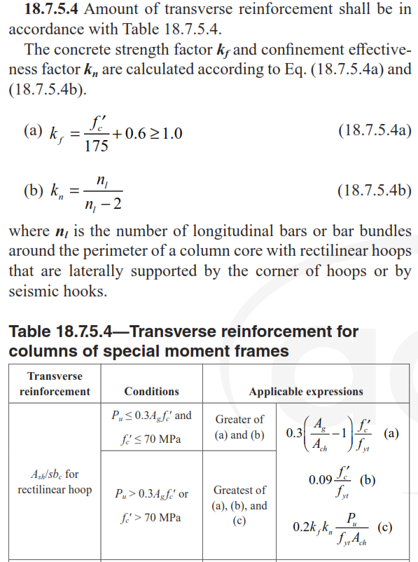
Primary Input
A | 800 | (mm) | Kf | Kn | Ag | Ac |  | Bc | Ach |  | By : Morteza Bagheri
B | 600 | (mm) | 1 | 1.125 | 480000 | 700 |  | 500 | 350000
C | 50 | (mm) |  |  |  |  |  |  |  | Pu<0.3*Ag*fc | Contact me :
fc | 35 | (Mpa) | A |  |  |  | B |  |  | Pu>0.3*Ag*fc
fyt | 400 | (Mpa) | Ash/s1 | 6.83 | (mm) |  | Ash/s1 | 4.88 | (mm) |  | Email: bagheri.structure@gmail.com
Pu | 200 | Ton | Ash/s2 | 5.51 | (mm) |  | Ash/s2 | 3.94 | (mm)
nl | 18 | - | Ash/s3 | 2.21 | (mm) |  | Ash/s3 | 1.58 | (mm) |  | Telegram: t.me/bagheristructure
Transverse reinforcement Diameter | 12 | (mm) | Ash/s | 6.83 | (mm) |  | Ash/s | 4.88 | (mm)
 |  |  | SA | 138.58 | (mm) |  | SB | 142.35 | (mm) |  | Instagram: bagheri.structure
Number of cross-sectional of transverse reinforce for A | 6 | -
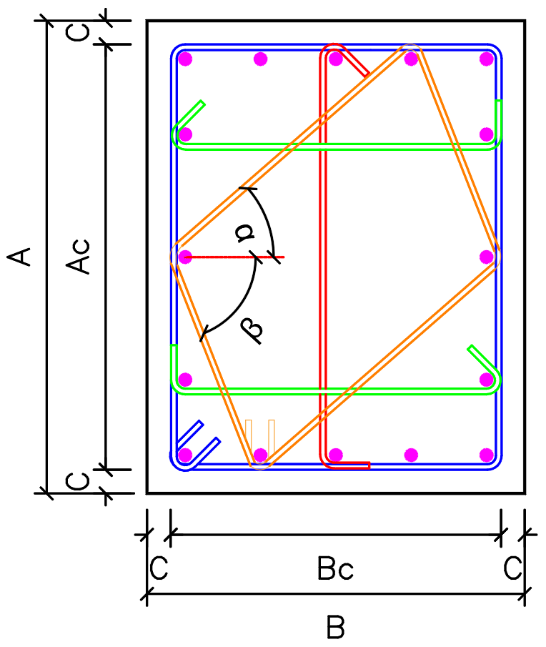
Number of cross-sectional of transverse reinforce for B | 3 | -

Number of Diamond hoops | 1 | -
α | 64 | Deg
β | 42 | Deg

Results
Smin | 138.58412159 | mm
Pu<0.3*Ag*fc

