5 TON
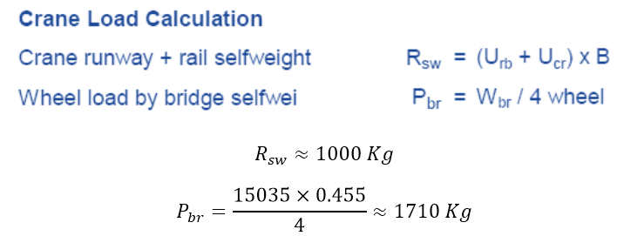
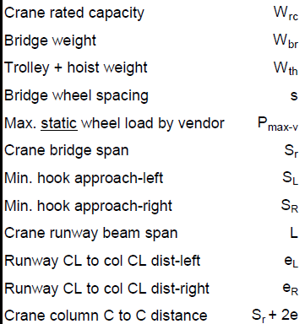
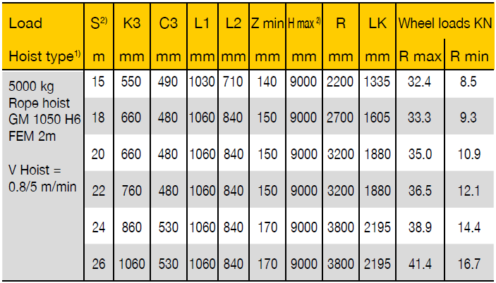
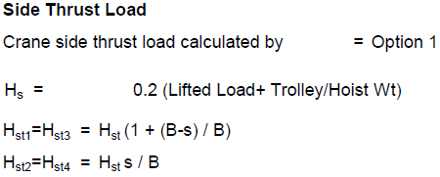
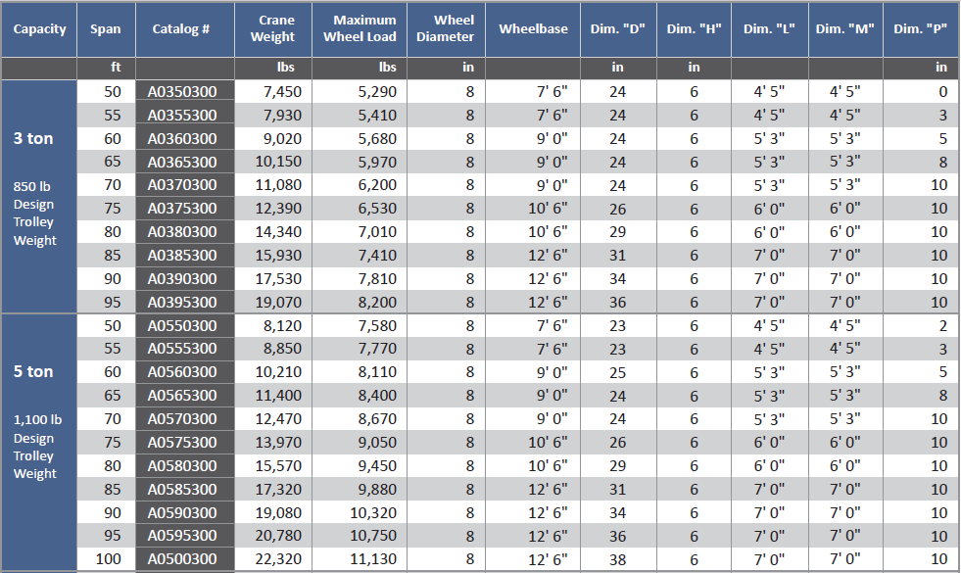
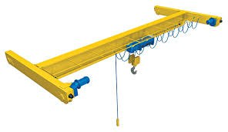
P-max | P-min |  |  |  | Wbr |  | 5 TON
4077 | 1510 | in service | yes | MWL | Crane W | no |  |  |  | Span | MWL | Crane W
 | Ipnput | Span (m) | 21.0 | 3945 | 5674 | yes |  | 8120 | 7850 | 15 | 3572 | 3695
 | Ipnput | frame spacing | 6 | m |  |  |  | 8850 | 7770 | 16.5 | 3535 | 4027
 |  | R1 | 9069 | Kg | Z Direction |  | 2019-05-03 | 10210 | 8110 | 18 | 3690 | 4646
 |  | R2 | 3123 | Kg |  |  |  | 11400 | 8400 | 19.5 | 3822 | 5187
 |  | R3 | 3989 | Kg |  |  |  | 12470 | 8670 | 21 | 3945 | 5674
 |  | R4 | 1787 | Kg |  |  |  | 13970 | 9050 | 22.5 | 4118 | 6356
Htr | 815 | Htr1 | 1291 | Kg | Y Direction |  |  | 15570 | 9450 | 24 | 4300 | 7084
 |  | Htr2 | 340 | Kg |  |  |  | 17320 | 9880 | 25.5 | 4495 | 7881
 |  | Htr3 | 1291 | Kg
 |  | Htr4 | 340 | Kg
Hs | 1100 | Hs1 | 1742 | Kg | X Direction
 | 1100 | Hs2 | 458 | Kg
 | 100 | Hs3 | 1742 | Kg
 |  | Hs4 | 458 | Kg

 |  | Pbr | 1418
 |  | P-max-c | 4077 | 4076.7958333 | 1660.1291667
 |  | Wth | 500
 |  | P-max | 4077 | 4077
 |  | Smin | 0.7
 |  | P-min | 1510 | 1510.1291667 | 1426.7958333
 |  | S | 2.5
 |  | Rsw | 1000

20 TON
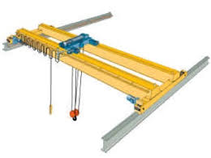
P-max | P-min |  |  |  | Wbr |  | 20 TON
14467 | 4109 | in service | yes | MWL | Crane W | no |  |  |  | Span | MWL | Crane W
 | Ipnput | Span (m) | 24.0 | 14255 | 15152 | yes |  | 18450 | 27620 | 15 | 12567 | 8395
 | Ipnput | frame spacing | 6 | m |  |  |  | 20410 | 28110 | 16.5 | 12790 | 9287
 |  | R1 | 30633 | Kg | Z Direction |  |  | 22550 | 28640 | 18 | 13031 | 10260
 |  | R2 | 9535 | Kg |  |  |  | 24730 | 29190 | 19.5 | 13281 | 11252
 |  | R3 | 10132 | Kg |  |  |  | 27460 | 29870 | 21 | 13591 | 12494
 |  | R4 | 4140 | Kg |  |  |  | 30620 | 30660 | 22.5 | 13950 | 13932
Htr | 2893 | Htr1 | 4581 | Kg | Y Direction |  |  | 33300 | 31330 | 24 | 14255 | 15152
 |  | Htr2 | 1206 | Kg |  |  |  | 36490 | 32130 | 25.5 | 14619 | 16603
 |  | Htr3 | 4581 | Kg
 |  | Htr4 | 1206 | Kg
Hs | 4400 | Hs1 | 6967 | Kg | X Direction
 | 4400 | Hs2 | 1833 | Kg
 | 400 | Hs3 | 6967 | Kg
 |  | Hs4 | 1833 | Kg

 |  | Pbr | 3788
 |  | P-max-c | 14467 | 14467.041667 | 4758.7083333
 |  | Wth | 2000
 |  | P-max | 14467 | 14467
 |  | Smin | 0.7
 |  | P-min | 4109 | 4108.7083333 | 3817.0416667
 |  | S | 2.5
 |  | Rsw | 2000

Bracket & Runway Beam
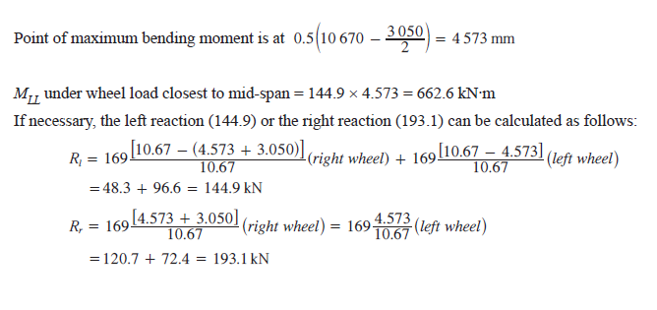
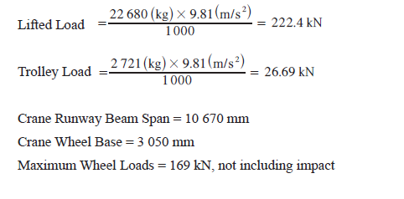
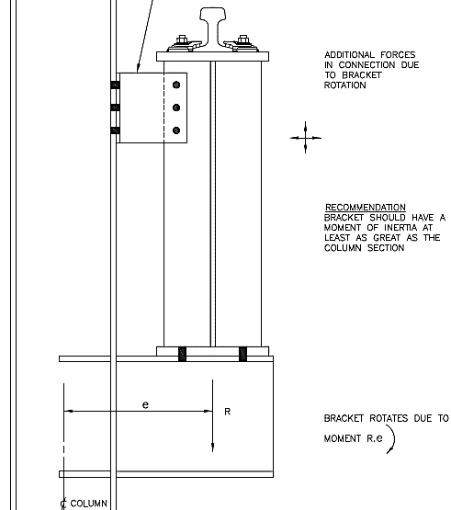
2019-05-03
 |  | Bracket | thickness | width
 |  | flange | 1.5 | 20 | cm
 |  | web | 1 | 50 | cm |  |  |  | R1 | Mw load | Hs
 |  | Length | 60 | cm |  |  |  | 5 | 9069 | 4077 | 1100
 |  | eccentricity | 90 | cm |  |  |  | 10 | 16358 | 7924 | 2200
 |  | Crane capacity | 20 | TON | 30632.686632 | 14467.041667 | 4400 | 20 | 30633 | 14467 | 4400
D/C | 0.9410963635 | Mu | 4411107 | Kg.cm
 | OK

 |  | Runway | thickness | width
 |  | flange | 2 | 25 | cm
 |  | web | 1 | 55 | cm
D/C | 0.6884407519 | Muv | 5362609 | Kg.cm
D/C | 0.27699730382 | Muh | 780800 | Kg.cm
D/C total | 0.96543805572
 | OK

 | bracket | Z | 2170 | cm^3
 |  | Y | 19.727272727 | cm
 |  | FEE*Mn | 4687200

strong | runway | Z | 3606.25 | cm^3
 |  | Y | 23.266129032 | cm
 |  | A | 155
 |  | W beam | 121.4115 | Kg/m
 |  | FEE*Mn | 7789500 | Kg.cm

 |  | R left | 13939.597439

weak | runway | Z | 1305 | cm^3
 |  | Y | 8.4193548387 | cm
 |  | FEE*Mn | 2818800 | Kg.cm

