Sheet1
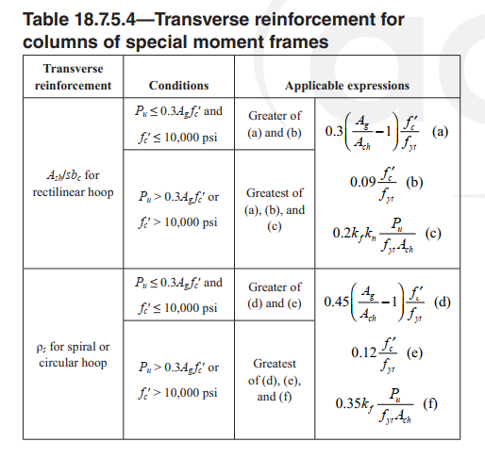
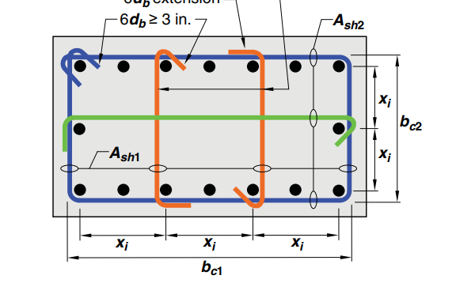
 | n1= | 24
 | b1= | 90 | cm
 | b2= | 70 | cm
 | Pu= | 757000 | kgf
 | Ag= | 6300 | cm2
 | fc= | 280 | kg/cm2
 | 0.3Agfc= | 529200 | kg
 | Ach= | 5084 | cm2
 | fy= | 3000 | kg/cm2

 | (a) | 0.0066970889064
 | (b) | 0.0084

 | (c ) | 0.01082898219

 | kf= | 1
 | kn= | 1.0909090909

 | s= | 10
Pu>0.3Agfy | Ash1= | 8.8797653959 | Ash2= | 6.7139689579
 | use T12 n= | 8 | use T12 n= | 6
 | use T10 n= | 12 | use T10 n= | 9

Pu<0.3Agfy | Ash1= | 6.888 | Ash2= | 5.208
 | use T12 n= | 7 | use T12 n= | 5
 | use T10 n= | 9 | use T10 n= | 7

